CFG-Paths
 | VVTA, PPPFP Informatica, 2019-2020

Covered source code |  | Control Flow Graph (CFG) | Cyclomatic Complexity (CC)

Line No. | Source code | please insert the CFG for tested method | CC1 = No. of regions = 4 |  | 4
1 | public void modifyEmployeeFunction(Employee employee, DidacticFunction newFunction) { | It may be a screen capture, image, picture taken by phone, etc. | CC2 = Edges - Nodes + 2 = 11 - 9 + 2 |  | 4
2 | if (employee!=null) { | 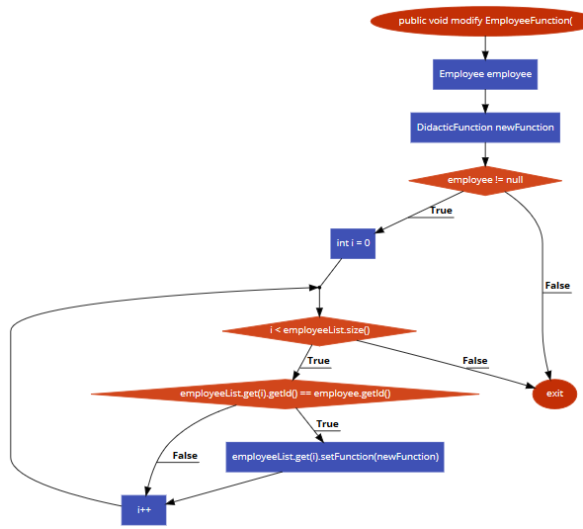 <CFG > | CC3 = No. of Conditions + 1 = 3 + 1 |  | 4
3 | int i = 0;
4 | while (i < employeeList.size()) {
5 | if (employeeList.get(i).getId() == employee.getId()) |  | Individual Paths
6 | employeeList.get(i).setFunction(newFunction);
7 | i++; } } } |  | Path No. | Path
 |  |  | P01 | 1-2-3T-5-6T-7T-9-6F-4
 |  |  | P02 | 1-2-3T-5-6T-7F-6F-4
 |  |  | P03 | 1-2-3T-5-6F-4
 |  |  | P04 | 1-2-3F-4

